Chart - Changes to PSNBX
 | Underlying forecast changes | Policy decisions - NICs cut | Policy decisions - other tax | Policy decisions - spending | Other | Change to PSNB forecast
2023- 2024 | -10.1 | 0.0 | 0.2 | -0.1 | 0.3 | -9.8
2024- 2025 | -10.0 | 10.2 | 3.3 | 0.4 | -1.2 | 2.7
2025- 2026 | -9.7 | 10.3 | -0.1 | -0.1 | 0.3 | 0.6
2026- 2027 | -6.2 | 10.5 | -3.3 | 0.5 | -1.3 | 0.3
2027- 2028 | -3.6 | 10.7 | -5.1 | 0.8 | -1.2 | 1.5
2028- 2029 | -0.8 | 11.0 | -5.1 | 0.0 | -0.7 | 4.4

Chart - Income tax & NICs
 | Income tax threshold freezes | NICs threshold freezes | NICs rate cut (AS 23) | NICs rate cut (Budget 24) | Total impact
2022-23 | 3.0 | -6.7 | 0.0 | 0.0 | -3.7
2023-24 | 14.0 | -2.1 | -2.4 | 0.0 | 9.5
2024-25 | 24.0 | 2.7 | -10.0 | -10.1 | 6.6
2025-26 | 27.9 | 4.1 | -10.1 | -10.1 | 11.7
2026-27 | 30.2 | 5.1 | -10.2 | -10.2 | 15.0
2027-28 | 33.2 | 6.3 | -10.4 | -10.4 | 18.7
2028-29 | 34.6 | 6.6 | -10.7 | -10.7 | 19.7

Chart - Real current DEL
 | Mar-22 | Nov-22 | Mar-23 | Nov-23 | Mar-24
2020-21 | 458.897
2021-22 | 431.568 | 447.795 | 448.144
2022-23 | 416.784 | 428.910 | 426.075 | 436.59225601 | 434.16960092
2023-24 | 408.019 | 419.687 | 421.687 | 426.51629477 | 422.94448747
2024-25 | 411.472 | 416.515 | 420.064 | 428.28568402 | 426.81436655
2025-26 | 419.284 | 422.490 | 425.019 | 430.55960467 | 430.76503375
2026-27 | 426.339 | 426.738 | 429.916 | 434.7661406 | 435.16501546
2027-28 |  | 431.329 | 435.031 | 439.36380185 | 439.70474011
2028-29 |  |  |  | 443.82963205 | 443.96992242

Chart - Real capital DEL
 | Mar-22 | Nov-22 | Mar-23 | Nov-23 | Mar-24
2020-21 | 76.701
2021-22 | 73.741 | 83.322 | 83.387
2022-23 | 88.064 | 91.686 | 88.517 | 95.258653858 | 95.678252024
2023-24 | 94.646 | 94.447 | 96.112 | 96.000288 | 95.583785993
2024-25 | 93.136 | 93.491 | 95.392 | 97.563785684 | 98.420392047
2025-26 | 95.588 | 93.864 | 94.667 | 94.011518711 | 95.996917704
2026-27 | 97.190 | 93.135 | 93.932 | 92.781760107 | 94.626290256
2027-28 |  | 91.663 | 92.546 | 91.246776763 | 92.878783479
2028-29 |  |  |  | 89.342414491 | 90.208165355

Chart - Real DEL per head index
 | Mar-22 | Nov-22 | Mar-23 | Nov-23 | Mar-24 | 100 LINE
2022-23 | 103.177 | 104.894 | 103.320 | 103.838 | 103.618 | 100
2023-24 | 100.026 | 101.641 | 101.262 | 100.456 | 99.958 | 100
2024-25 | 100.000 | 100.000 | 100.000 | 100.000 | 100.000 | 100
2025-26 | 101.150 | 100.689 | 100.436 | 99.792 | 100.184 | 100
2026-27 | 102.231 | 101.088 | 100.980 | 100.159 | 100.596 | 100
2027-28 |  | 101.693 | 101.699 | 100.740 | 101.166 | 100
2028-29 |  |  |  | 101.328 | 101.709 | 100

Chart - Real DEL index
 | Mar-22 | Nov-22 | Mar-23 | Nov-23 | Mar-24 | 100 LINE
2020-21 | 111.526 |  |  |  |  | 100
2021-22 | 104.884 | 107.510 | 106.685 |  |  | 100
2022-23 | 101.291 | 102.976 | 101.431 | 101.93949326 | 101.7232865 | 100
2023-24 | 99.161 | 100.762 | 100.386 | 99.586867059 | 99.093310961 | 100
2024-25 | 100.000 | 100.000 | 100.000 | 100 | 100 | 100
2025-26 | 101.898 | 101.435 | 101.179 | 100.53093548 | 100.9256172 | 100
2026-27 | 103.613 | 102.454 | 102.345 | 101.51311539 | 101.95650605 | 100
2027-28 |  | 103.557 | 103.563 | 102.58661876 | 103.02013582 | 100
2028-29 |  |  |  | 103.62934102 | 104.01944199 | 100

Chart - Real current DEL index
 | Mar-22 | Nov-22 | Mar-23 | Nov-23 | Mar-24 | 100 LINE
2020-21 | 111.526 |  |  |  |  | 100
2021-22 | 104.884 | 107.510 | 106.685 |  |  | 100
2022-23 | 101.291 | 102.976 | 101.431 | 101.93949326 | 101.7232865 | 100
2023-24 | 99.161 | 100.762 | 100.386 | 99.586867059 | 99.093310961 | 100
2024-25 | 100.000 | 100.000 | 100.000 | 100 | 100 | 100
2025-26 | 101.898 | 101.435 | 101.179 | 100.53093548 | 100.9256172 | 100
2026-27 | 103.613 | 102.454 | 102.345 | 101.51311539 | 101.95650605 | 100
2027-28 |  | 103.557 | 103.563 | 102.58661876 | 103.02013582 | 100
2028-29 |  |  |  | 103.62934102 | 104.01944199 | 100

Chart - Real capital DEL index
 | Mar-22 | Nov-22 | Mar-23 | Nov-23 | Mar-24 | 100 LINE
2020-21 | 82.354 |  |  |  |  | 100
2021-22 | 79.176 | 89.123 | 87.415 |  |  | 100
2022-23 | 94.555 | 98.070 | 92.793 | 97.637307932 | 97.213849725 | 100
2023-24 | 101.622 | 101.023 | 100.754 | 98.397461032 | 97.117867552 | 100
2024-25 | 100.000 | 100.000 | 100.000 | 100 | 100 | 100
2025-26 | 102.633 | 100.399 | 99.240 | 96.359031224 | 97.537629863 | 100
2026-27 | 104.352 | 99.619 | 98.470 | 95.098564961 | 96.145004392 | 100
2027-28 |  | 98.045 | 97.016 | 93.52525235 | 94.369450829 | 100
2028-29 |  |  |  | 91.573337243 | 91.655970352 | 100

Chart - fin mkt assump
 | Autumn Statement 2023 | Budget 24 | 10 days to 5th March
2 | 4.89 | 4.26 | 4.36
5 | 4.53 | 3.79 | 4.06
10 | 4.49 | 3.88 | 4.12
15 | 4.80 | 4.24 | 4.42
20 | 4.89 | 4.42 | 4.56
30 | 4.94 | 4.51 | 4.60

OBR_MAR24_C1.5
Back to contents
 | Chart 1.5: Public sector net borrowing: change since November

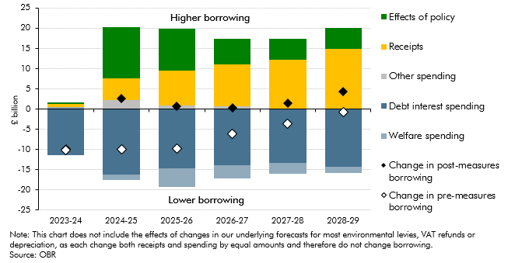

 |  | 2023-24 | 2024-25 | 2025-26 | 2026-27 | 2027-28 | 2028-29
 | Effects of policy | 0.3 | 12.7 | 10.4 | 6.4 | 5.1 | 5.2
 | Receipts | 0.8 | 5.2 | 8.7 | 10.4 | 12.3 | 14.8
 | Other spending | 0.1 | 2.3 | 0.8 | 0.6 | 0.0 | 0.2
 | Debt interest spending | -11.5 | -16.2 | -14.7 | -13.8 | -13.3 | -14.2
 | Welfare spending | 0.5 | -1.4 | -4.6 | -3.3 | -2.6 | -1.5
 | Change in post-measures borrowing | -9.8 | 2.7 | 0.6 | 0.3 | 1.5 | 4.4
 | Change in pre-measures borrowing | -10.1 | -10.0 | -9.7 | -6.2 | -3.6 | -0.8

OBR_MAR24_C4.10
Back to contents
 | Chart 4.10: Real departmental spending per person (2023-24 prices)
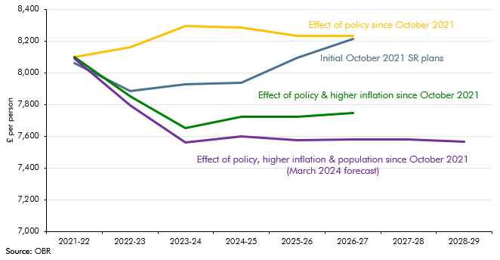

 |  | 2021-22 | 2022-23 | 2023-24 | 2024-25 | 2025-26 | 2026-27 | 2027-28 | 2028-29
 | Initial October 2021 SR plans | 8058 | 7886 | 7925 | 7937 | 8094 | 8213
 | Effect of policy since October 2021 | 8097 | 8162 | 8294 | 8283 | 8231 | 8231
 | Effect of policy and higher inflation since October 2021 | 8097 | 7848 | 7650 | 7722 | 7722 | 7746
 | Effect of policy, hihger inflation and population since October 2021 (March 2024 forecast) | 8088 | 7786 | 7548 | 7584 | 7564 | 7569 | 7569 | 7553

